Addr Book Editor
 | Kyocera FAX Address Book Utility
Item | Type | Module | Function List | Function Detail | Days | Start Date | Finished Date | Remarks | Implement Status%
1 | UI | Main Dialog | Dialog fixed minimum size | Dialog resizing fixed minimum size | 2 | 6/8/2016 | 6/8/2016 | 1.Create base on MFC diaglog project. 2.Fixed dialog size 590x750. 3.Limit minimum size 590x750 and unlimit maximum size. 4.Dialog enable resizing. 5.Child controls auto layout in the dialog. 6.solve flicker problem. | 100%
 |  |  | Dialog Toolbar | Main toolbar |  | 6/9/2016 | 6/9/2016 | Add top main toolbar with resize. | 100%
 |  |  | Dialog viewer | Address book viewer |  | 6/9/2016 | 6/9/2016 | Add list control with resize. | 100%
 |  |  | Dialog statusbar | Statusbar |  | 6/9/2016 | 6/9/2016 | Add statusbar. | 100%
 |  |  | Dialog Title | Dialog window title |  | 6/8/2016 | 6/8/2016 | Update window title. | 100%
2 |  |  | Dialog icon | Dialog window icon |  | 6/8/2016 | 6/8/2016 | Changed widnow/application icon. | 100%
 |  |  | Multi-language | Multi-language rc files
 |  |  |  | Multi-language switch
 |  |  |  | Multi-language help documents
3 |  | Toolbar | New | New address book file | 1 | 6/9/2016 | 6/9/2016 | 1.Add a button to Toolbar. 2.Add ON_COMMAND_RANGE command map macro and function. | 100%
4 |  |  | Open | Open address book file |  | 6/9/2016 | 6/9/2016 | 1.Add a button to Toolbar. 2.Open select file dialog and filter file. 3.Add command macro funciton. | 100%
5 |  |  | Save | Save address book to local file |  | 6/9/2016 | 6/9/2016 | 1.Add a button to Toolbar. 2.Open a save file dialog. 3.Add command macro funciton. | 100%
6 |  |  | Save As | Save as address book to local file |  | 6/9/2016 | 6/9/2016 | 1.Add a button to Toolbar. 2.Open a save as file dialog. 3.Add command macro funciton. | 100%
7 |  |  | Load From Device | Load address book from printer | 1 | 6/10/2016 | 6/10/2016 | 1.If connected to device,set button enabled. Otherwise set it disabled. | 100%
8 |  |  | Save To Device | Save address book to printer | 1 | 6/13/2016 | 6/13/2016 | 1.If connected to device,set button enabled. Otherwise set it disabled. | 100%
9 |  |  | Add Group | Add address book contact group | 2 | 6/15/2016 | 6/16/2016 | 1.Group dialog. 2.list all contacts(filter group and contact(s) already in group). 3.selecte contacts add to group. 4.group item insert to model and update listview(UI). | 100%
10 |  |  |  | Edit group informations dialog |  | 6/16/2016 | 6/17/2016 | 1.A standard model dialog for group to add and edit actions. 2.included a Edit control,contacts list control, selected contacts list control. | 100%
11 |  |  | Edit Group | Edit address book group |  | 6/17/2016 | 6/17/2016 | 1.changed group name. 2.add/remove contacts to/from group. 3.update model and listview. | 100%
12 |  |  | Delete Duplicates | Delete duplicates contact | 1 | 6/20/2016 | 6/20/2016 | remove enties(compare name and fax number). | 100%
13 |  |  | Block Numbers | Block specified FAX numbers | 2 |  |  |  | 0%
14 |  |  |  | Specific FAX numbers dialog |  |  |  |  | 0%
 |  |  | Help | help document | 1 |  |  |  | 0%
16 |  | Listview | Header | Show list view column headers | 1 | 6/21/2016 | 6/21/2016 | 1.Add column header. 2.Header text read from EntryItemModel class. | 100%
17 |  |  | Gridline | Draw list view report row/cloumn gridlines | 2 | 6/22/2016 | 6/23/2016 | 1.Set CListCtrl report style view. 2.Set CListCtrl Gridlines style view(bug it cannot change gridline color). 3.Remove GridLines and custom draw gridlines for CListCtrl view and changed color to RGB(210, 210, 210). 4.Calculate CListCtrl item rect for draw gridlines. | 80%
18 |  |  | Row color | Draw list view report row color | 2 | 6/24/2016 | 6/27/2016 | 1.Calculate CListCtrl item rect. 2.Custome draw color RGB(255,255,255) odd number row, and even number row RGB(210, 210, 210). 3.Need to solve the problem of flicker when dialog repaint. | 100%
19 |  | Add Button | Add | Add a contact | 1 | 6/28/2016 | 6/29/2016 | 1. Create a new contact add to EntryModel class. 2.Show it in CListCtrl view. | 100%
20 |  | Edit Button | Edit | Edit a exists contact |  | 6/29/2016 | 6/29/2016 | 1.Edit current selected contact in CListCtrl view item. 2.Change name/FAX number/company/department/speed/ECM propertiese. 3.Update to EntryModel class and CListCtrl ivew. 4.Update UI button. | 100%
21 |  | Delete Button | Delete | Delete a contact |  | 6/29/2016 | 6/29/2016 | 1.Delete current selected contact(s) in CListCtrl view item(s). 2.Update EntryModel and CListCtrl view. 3.Update CListCtrl view status.eg: changed current selected item. | 100%
22 |  | Items Text | contact counting | List view item count |  | 6/29/2016 | 6/29/2016 | 1.Calculate CListCtrl items and EntryModel class data. 2.update to UI. | 100%
23 |  | Contact Informations Editor | Name | Input Name | 1 | 6/30/2016 | 6/30/2016 | 1.Add text edit control and fixed size. 2.Can auto layout when dialog resizing. | 100%
24 |  |  | FAX number | Input Fax number |  | 6/30/2016 | 6/30/2016 | 1.Add text edit control and fixed size. 2.Can auto layout when dialog resizing. | 100%
25 |  |  | Company | Input Company |  | 6/30/2016 | 6/30/2016 | 1.Add text edit control and fixed size. 2.Can auto layout when dialog resizing. | 100%
26 |  |  | Department | Input Department |  | 6/30/2016 | 6/30/2016 | 1.Add text edit control and fixed size. 2.Can auto layout when dialog resizing. | 100%
27 |  |  | FAX communication speed | Select FAX communication speed rate |  | 6/30/2016 | 6/30/2016 | 1.Add combobox control and fixed size. 2.Can auto layout when dialog resizing. 3.Add or Initizlize some data. | 100%
28 |  |  | ECM | Check ECM on/off |  | 6/30/2016 | 6/30/2016 | 1.Add checkbox control and fixed size. 2.Can auto layout when dialog resizing. | 100%
29 |  |  | OK | Finished edit a contact and submit |  | 6/30/2016 | 6/30/2016 | 1.Add button control and fixed size. 2.Can auto layout when dialog resizing. 3.Do submit a new contact and edit a contact properties. | 100%
30 |  |  | Cannel | Cancel edit a contact |  | 6/30/2016 | 6/30/2016 | 1.Add button control and fixed size. 2.Can auto layout when dialog resizing. 3.Do cancel add a new contact and edit a contact properties. | 100%
31 |  | Statusbar | Statusbar | Show tooltips message | 1 | 7/1/2016 | 7/1/2016 | 1.Add custom statusbar to dialog. 2.Can auto layout when dialog resizing. 3.Show toolbar button tooltips and other tooltips message. | 100%
32 |  | Progressbar | Load From Device | Show load data from device dialog with progressbar | 3 | 8/1/2016 | 8/1/2016 | 1.Create a progress dialog. 2.add progress control. 3.update progress. | 100%
33 |  |  | Save To Device | Show save data to device dialog with progressbar |  | 8/3/2016 | 8/3/2016 | update progress during saving data. | 100%
34 | Data Struct | Contact Data | Id | A contact id property | 1 | 7/4/2016 | 7/4/2016 | A contact id property: string data in Model class. | 100%
35 |  |  | Type | A contact type property |  | 7/4/2016 | 7/4/2016 | A contact type(Group or Contact) property: string data in Model class. | 100%
36 |  |  | Name | A contact name property |  | 7/4/2016 | 7/4/2016 | A contact name property: string data in Model class. | 100%
37 |  |  | Source | A contact source property |  | 7/4/2016 | 7/4/2016 | A contact source property: string data in Model class. | 100%
38 |  |  | Fax | A contact FAX number property |  | 7/4/2016 | 7/4/2016 | A contact FAX property: string data in Model class. | 100%
39 |  |  | Company | A contact company property |  | 7/4/2016 | 7/4/2016 | A contact company property: string data in Model class. | 100%
40 |  |  | Department | A contact department property |  | 7/5/2016 | 7/5/2016 | A contact department property: string data in Model class. | 100%
41 |  |  | ECM | A contact ECM property |  | 7/5/2016 | 7/5/2016 | A contact ECM property: string data in Model class. | 100%
42 |  |  | Speed | A contact device communication speed rate property |  | 7/5/2016 | 7/5/2016 | A contact speed reate property: string data in Model class. | 100%
43 |  |  | ContactType | Contact type | 1 | 7/6/2016 | 7/6/2016 | A contact contact property: integer data in Model class. | 100%
44 |  |  | GroupType | Group type |  | 7/6/2016 | 7/6/2016 | A contact group property: integer data in Model class. | 100%
45 |  | Model Data | AddressBook | Include entry/model/device constant data defined | 1 | 7/7/2016 | 7/7/2016 | 1.namespace AddressBook class. 2.defined data type. 3.UML class diagram. | 100%
46 |  |  | EntryItem | A contact property structure | 2 | 7/8/2016 | 7/9/2016 | EntryItem class. | 100%
47 |  |  | EntryItemModel | Maintaining all entry data model | 2 | 7/11/2016 | 7/12/2016 | EntryItemModel abstract class. | 100%
48 |  | UML Class Diagram | UML Class Diagram | Entity relationship diagram | 1 | 7/13/2016 | 7/13/2016 | Class relationship diagram. | 100%
49 |  |  |  | Structure diagram |  | 7/13/2016 | 7/13/2016 | Data strcture diagram. | 100%
50 |  |  |  | Model/View |  | 7/13/2016 | 7/13/2016 | Mdole/View designe structure diagram. | 100%
51 | Data Access | Local Storage | AddressFile | Local Address Book file IO operator | 1 | 7/14/2016 | 2016-07-14 | local file read/write calss. | 100%
52 |  |  | Write | Write data to address book file | 1 | 2016-07-01 | 2016-06-24 | 1.Using "*.ftd" format as local address book file. 2.each line of a contact or a group in local address book file. 3. [FAX_ADDR] prefix represents a contact, [FAX_ADDR_GM] frefix represents a group. | 100%
53 |  |  | Read | Read data from address book file | 1 | 2016-07-02 | 2016-07-11 | 1.Open "*.ftd" address book file. 2.Read line of contacts or a gorup. 3.Differentiates contact and group by prefix [FAX_ADDR] or [FAX_ADDR_GM] | 100%
54 |  | Device Communication | IODevice | Device communication read/write | 1 | 2016-07-15 | 2016-07-15 | 1.Communicate with printer device abstract base class. 2.Implemente read/write data interface. 3.Derive must reimplemented readData/writeData. | 100%
55 |  |  | PrinterIODevice | Kyocera Printer device communication read/write | 1 | 2016-07-18 | 2016-07-18 | 1.Inherited from IODevice. 2.Reimplemented readData/writeData. Call extenal driver dll interface. | 100%
56 |  |  | Select Printer Device | USB: Selected printer device by printer name | 1 | 2016-07-19 | 2016-07-19 | Connect to printer by printer name. | 100%
57 |  |  |  | Network: Selected printer device by printer name | 1 |  |  | No network option.
58 |  |  | Disconnect | Disconnection from printer device | 1 | 2016-07-20 | 2016-07-20 | Disconnection from printer device. | 100%
59 |  |  | Login | Login to printer device | 2 | 2016-07-21 | 2016-07-21 | If need login printer device, must login with password. | 100%
60 |  |  | Logout | Logout printer device |  | 2016-07-22 | 2016-07-22 | Logout and close device. | 100%
61 |  |  | Read | Read data from printer device | 3 | 2016-07-25 | 2016-07-26 | 1.Read Combined FAX data. 2.Decode data. 3.Load to data model. 4.Display data in the list View(UI). | 100%
62 |  |  | Write | Write data to printer device | 4 | 2016-07-27 | 2016-07-28 | 1.Encode data, included fax combined and fax group. 2.Write data to printer device(Perry Dell E525W[test]). | 100%
Continue
Finished
Working
 | Total |  |  |  | 47

 | UI | Data Structure | Data Access
Address Book Utility Function Type (%) | 40 | 10 | 50
 | Main Dialog | Toolbar | ListView | Add/Edit/Delete/Count | Contact Editor | Stausbar | Contact Data | Model Data | Local Access | Device Communication
Module Functions Develop Cycle (Unit: day) | 1 | 12 | 3 | 1 | 8 | 1 | 3 | 5 | 3 | 7

 | Address Book Framework |  |  | Address Book Model/View Design |  |  | Address Book Class Diagram
 | 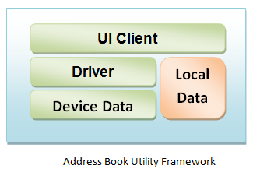 |  |  | 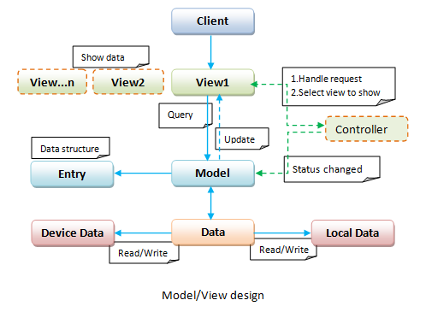 |  |  |  | 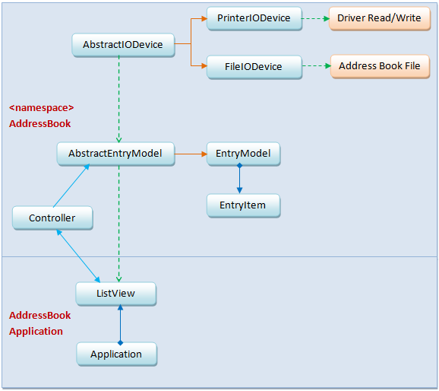

 | UML Class Diagram
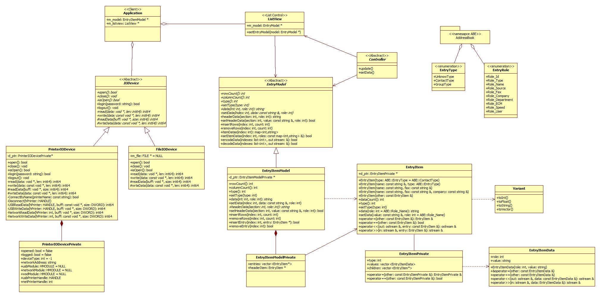

 | Kyocera Address Book Main Dialog

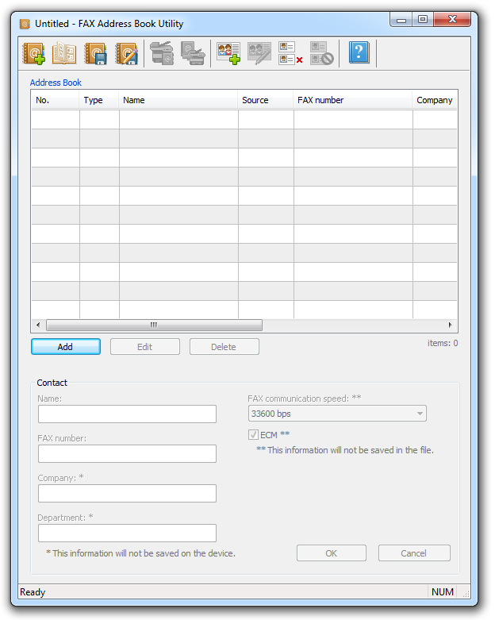

 |  |  |  |  |  |  |  | By:Yuri Yang@liteon.com
 |  |  |  |  |  |  |  | 2016-06-25

